Meal Entry Form
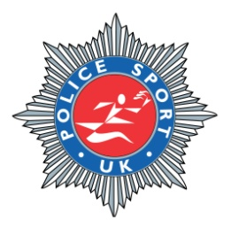
Police Sport UK (PSUK) 10 Mile Road Race
Essex
Wednesday, 9th September 2026

Evening Presentation Entry Form

Please indicate which meal option per runner (GF indicates Gluten Free; V indicates Vegetarian; VG indicates Vegan)
Payments to be made by BACS to: Essex Police Sports Association Sort Code: 20-70-93 Account No': 30359904

Payment reference: 10 Mile 'Force' e.g. 10 Mile ESSEX Please can the team captain be the person that sends the entire food order and payment for each force.

Payment MUST be made by the closing date on the 21st August 2026

Once completed please return directly by email to deborah.hitching@essex.police.uk

Evening Presentation Fee is £46 per person. Total number of Attendees:

First Name | Surname | Force | Main |  | Dessert | Any Dietary Requirements/Allergies (V/VG/GF etc.)
 |  |  | Slow braised beef | Thai Green Curry (VG) | Chocolate Brownie
Jo | Smith | Essex Police | X |  | X | None

